Sheet1
 |  | DATA ANALYSIS OF FOOD SURVEY RESPONSES.

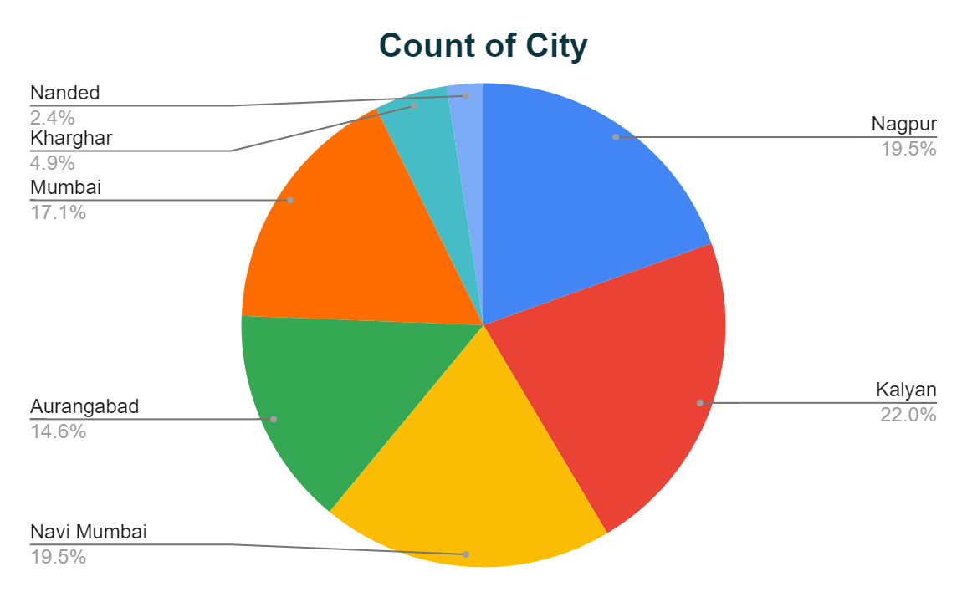
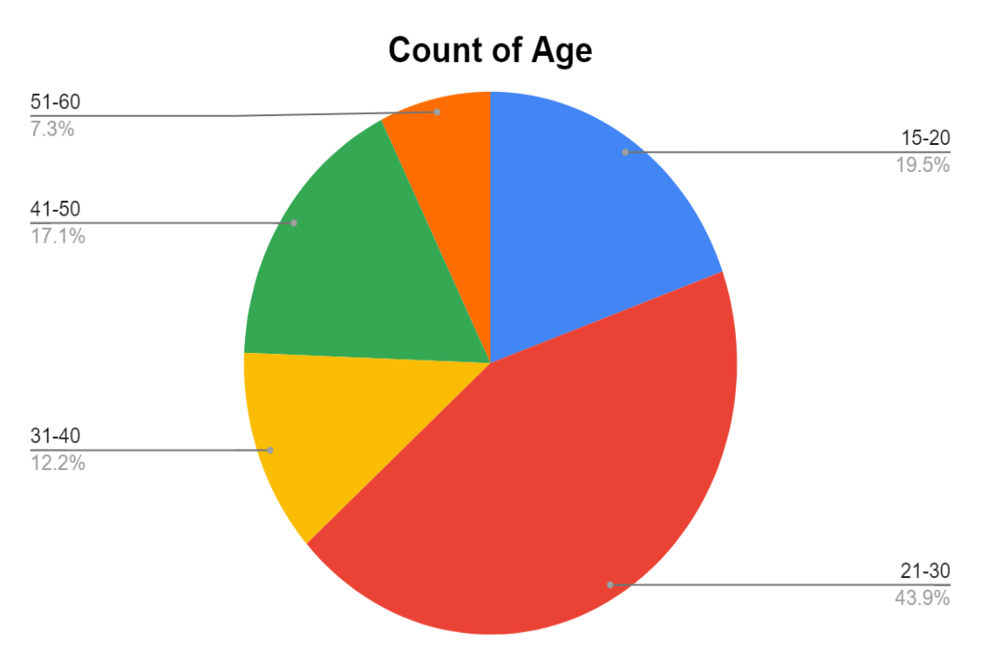
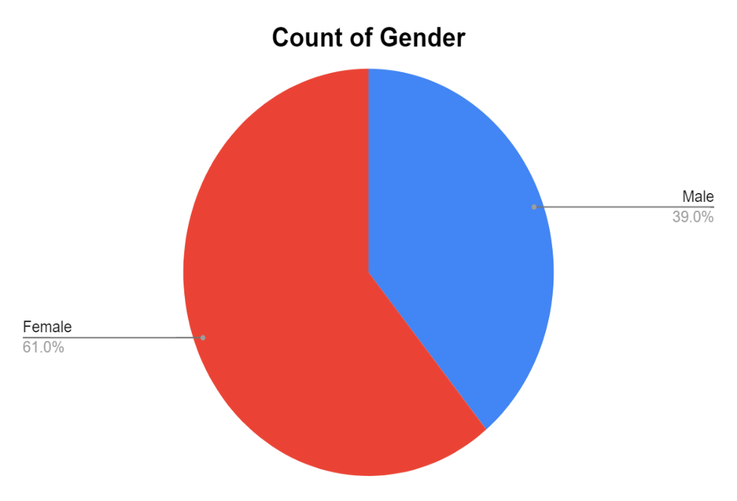

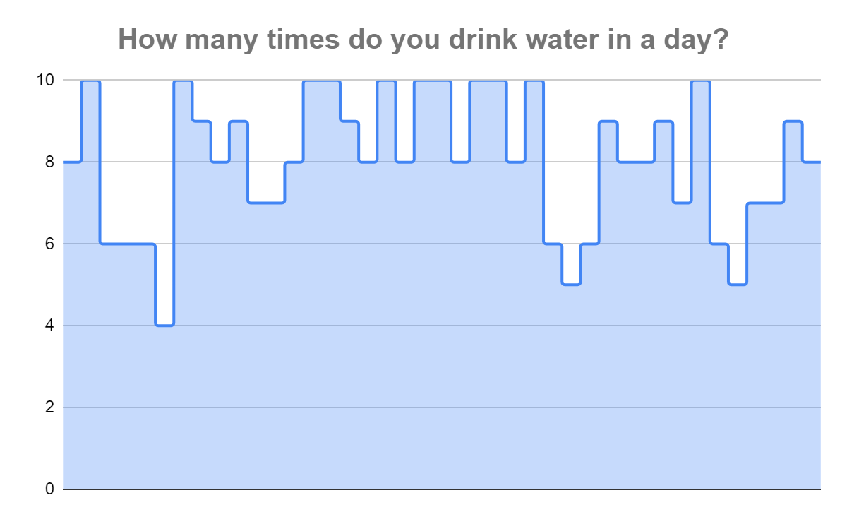
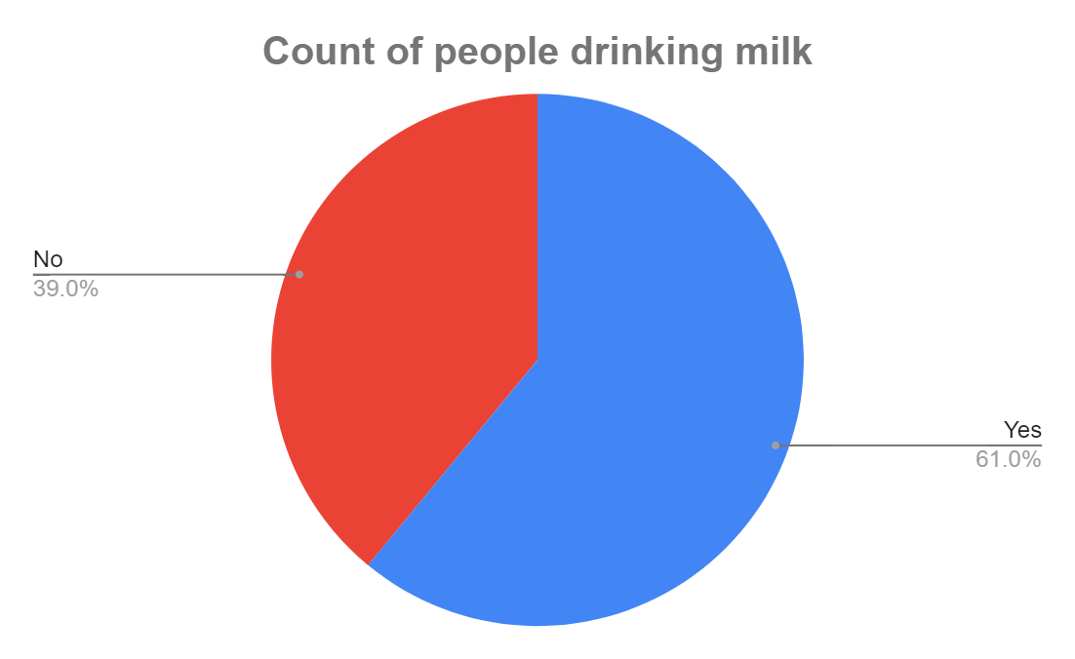
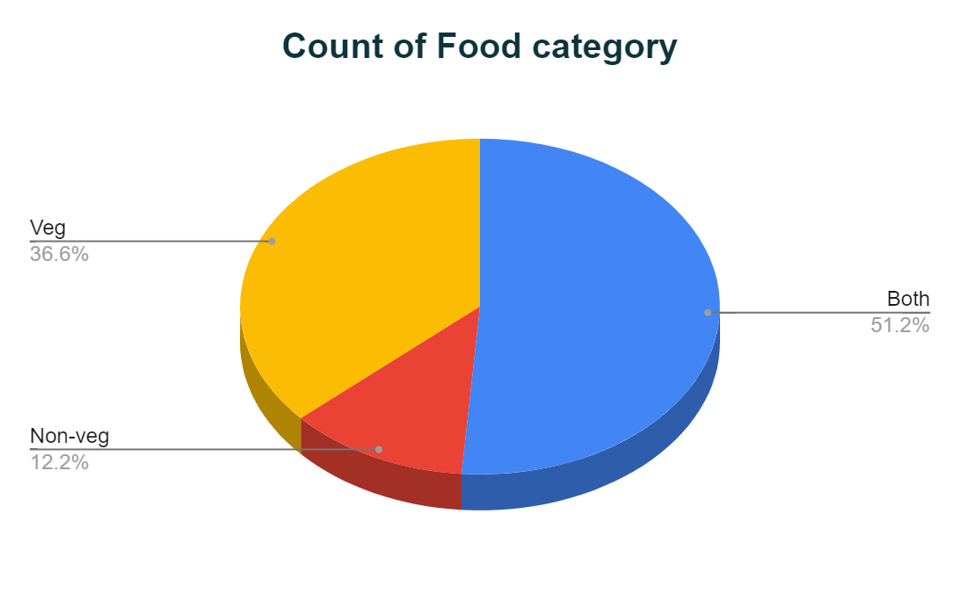

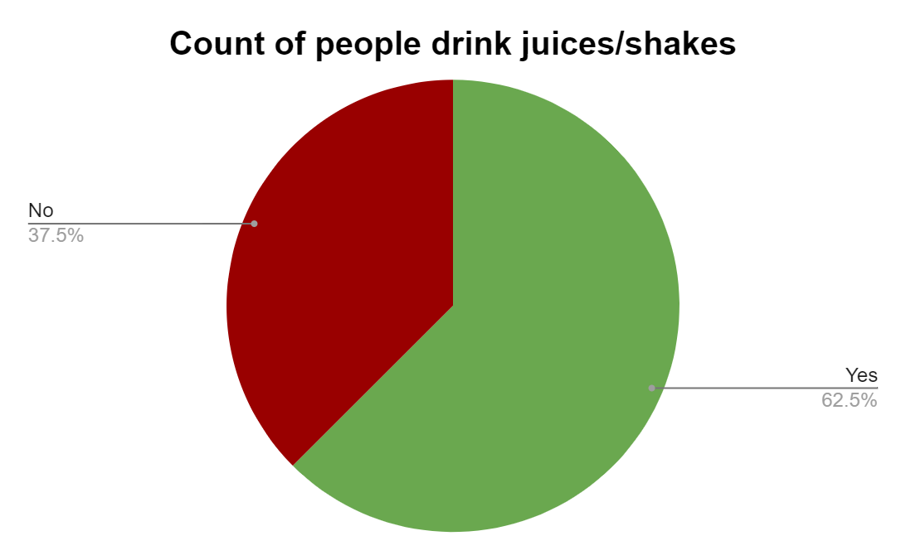
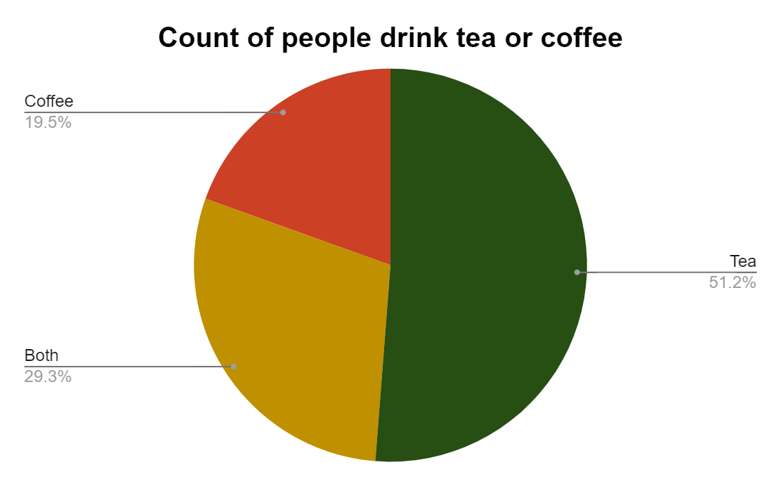
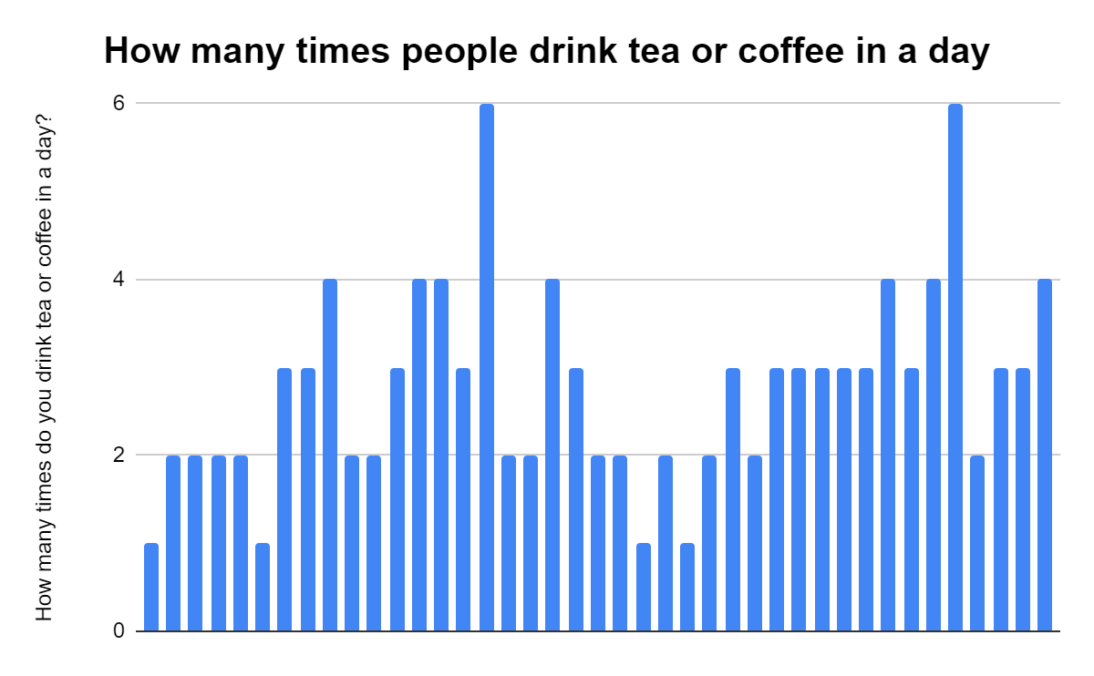

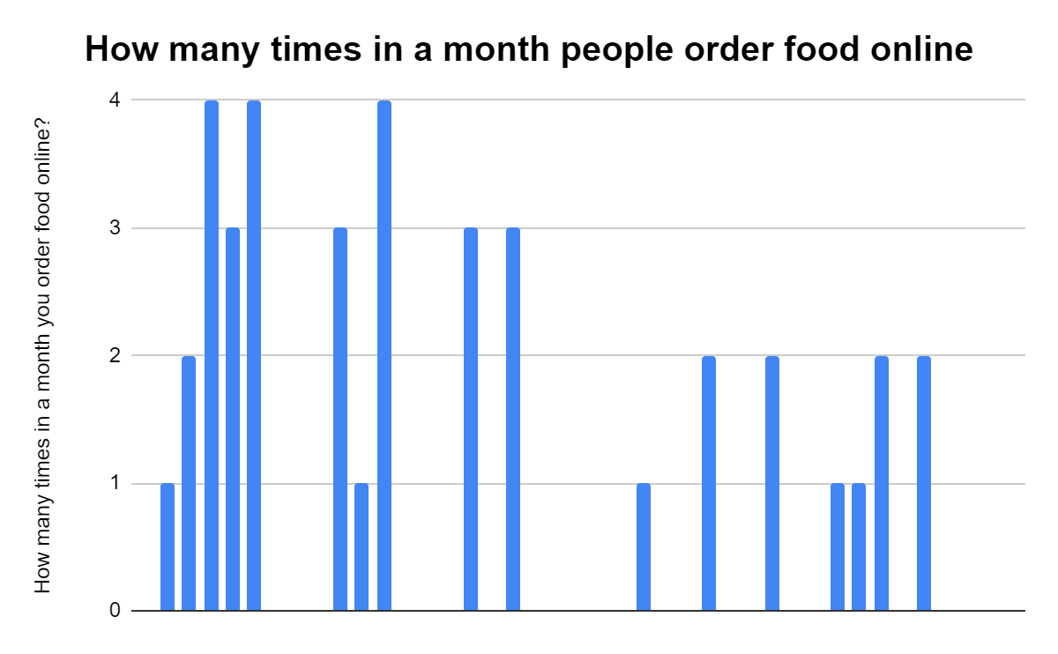
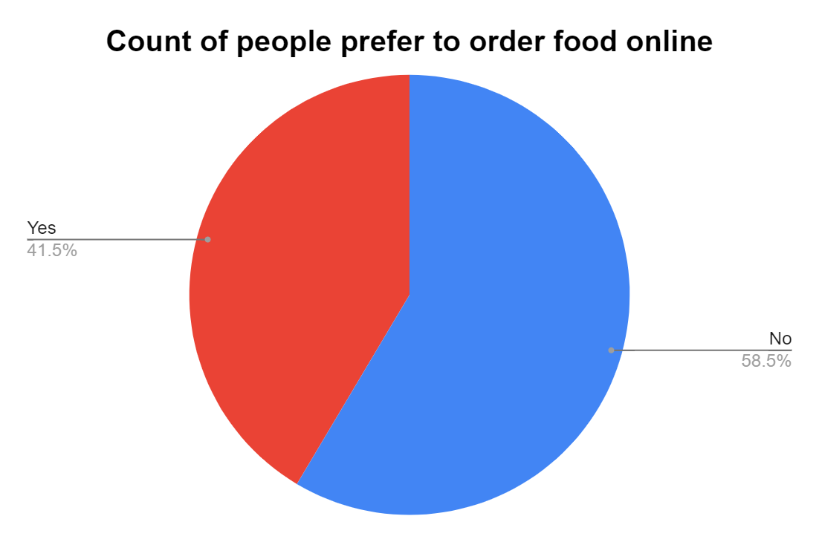
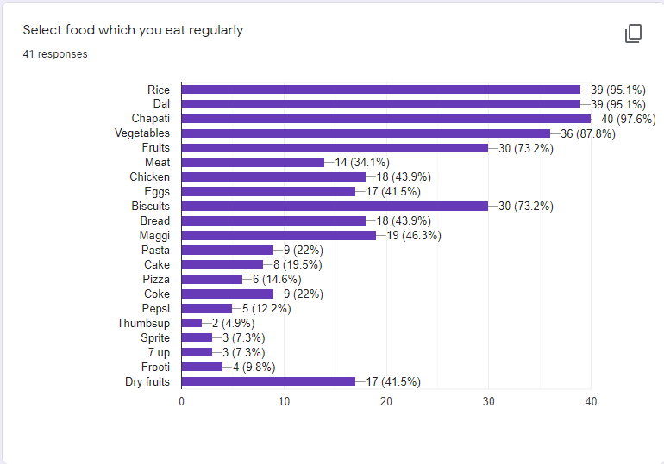

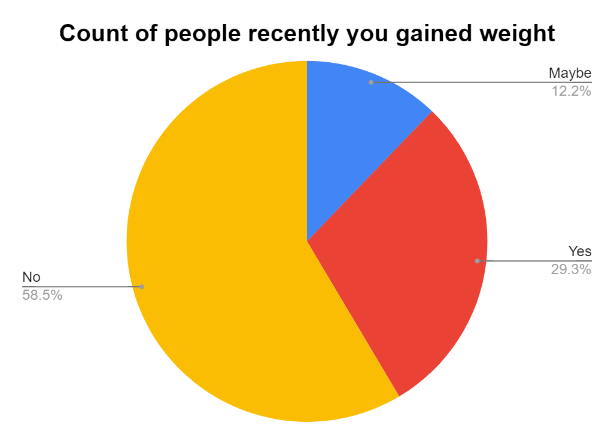
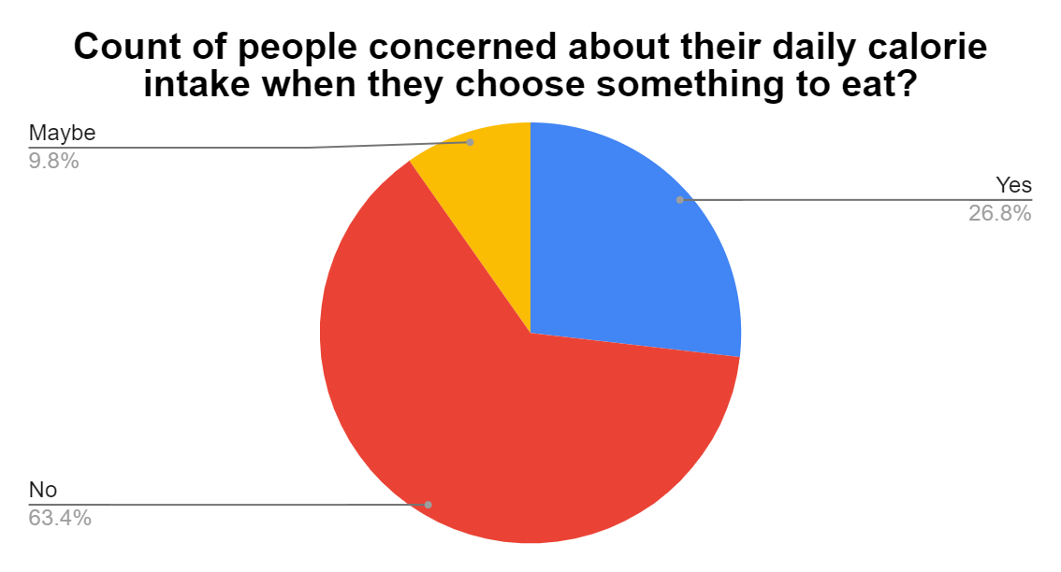

Conclusions of this Data Analysis: 1) 61% Female and 39% Male responses was received.
 | 2) 36.6% people eat Veg, 12.2%people eat Non-veg & 51.2% of people eat both.
 | 3) Most of the people drink 10 glass of water in a day.
 | 4) 61% people drink milk
 | 5) 51.2% people drink Tea, 19.5% people drink Coffee & 29.3% drink both.
 | 6)62.5% people drink juices/shakes.
 | 7) Most of the people drink Tea/Coffee 2-4 times in a day.
 | 8) 58.5% people prefer not to order food online.
 | 9) 97.6% people eat Chapati.
 | 10)95.1% people eat Rice and Dal.
 | 11) 87.8% people eat Vegetables.
 | 12) 73.2% people eat Fruits and Biscuits.
 | 13) 46.3% people eat Maggi.
 | 14) 43.9% people eat Chicken and Bread.
 | 15) 41.5% people eat Eggs.
 | 16) 41.5% people eat Dry Fruits.
 | 17) 34.1% people eat Meat.
 | 18) 58.5% people have gained their weight.
 | 19) 63.4% people are concerned about their daily calorie intake when they choose something to eat.
 | 20) 61% people exercise.

